Calculator
Partial 3 body Kinematics Calculator (at 0o)
INPUT |  |  |  |  |  |  |  | OUTPUT |  |  |  |  |  |  |  |  |  |  |  |  | DISTRIBUTIONS

 | Beam m01 | Target m02 | Ejectile under study m1 | Ejectile m2 | Recoil m3 | Beam Energy (Lab, MeV) | No of Points to Plot | Q-Value (MeV) | Energy Threshold (MeV) | Masses (amu) |  |  |  |  | Maximum Energy of Ejectile Under Study |  |  |  | Small Gaussian |  |  |  | Main Gaussian
A | 2 | 3 | 1 | 1 | 3 |  |  |  |  | m01 | m02 | m1 | m2 | m3 | CMS | LS |  |  | Mean Value | 0.1794 |  |  | Mean Value | 0.6019
Z | 1 | 1 | 0 | 1 | 1 | 4 | 100 | -2.2245 | 3.7101 | 2.0141 | 3.0160 | 1.0087 | 1.0078 | 3.0160 | 0.1390 | 0.0376 | 0.8827 |  | Standard Deviation | 0.0473 |  |  | Standard Deviation | 0.0936
Element: | H | H | n | p | H |  |  |  |  |  |  |  |  |  |  |  |  | Neutron Energy (MeV) | Norm. Distribution | Normalized Flux |  | Neutron Energy (MeV) | Norm. Distribution | Normalized Flux
 |  |  |  |  |  |  |  | The two distributions are considered to have equal probability. |  |  |  |  |  |  |  |  |  | 0.03759 | 0.09377 | 0.01111 |  | 0.32116 | 0.04735 | 0.01111
 |  |  |  |  |  |  |  |  |  |  |  |  |  |  |  |  |  | 0.04046 | 0.11226 | 0.01331 |  | 0.32684 | 0.05669 | 0.01331
Ejectile Under Study Energy Distribution at 0 degrees (LS)
 |  |  |  |  |  |  |  |  |  |  |  |  |  |  |  |  |  | 0.04332 | 0.13391 | 0.01587 |  | 0.33251 | 0.06762 | 0.01587
 |  |  |  |  |  |  |  |  |  |  |  |  |  |  |  |  |  | 0.04619 | 0.15914 | 0.01886 |  | 0.33818 | 0.08036 | 0.01886
 |  |  |  |  |  |  |  |  |  |  |  |  |  |  |  |  |  | 0.04905 | 0.18844 | 0.02233 |  | 0.34385 | 0.09515 | 0.02233
 |  |  |  |  |  |  |  |  |  |  |  |  |  |  |  |  |  | 0.05192 | 0.22230 | 0.02635 |  | 0.34953 | 0.11226 | 0.02635
 |  |  |  |  |  |  |  |  |  |  |  |  |  |  |  |  |  | 0.05478 | 0.26130 | 0.03097 |  | 0.35520 | 0.13195 | 0.03097
The password to unlock the Worksheet "Masses" is " partial ". |  |  |  |  |  |  |  |  |  |  |  |  |  |  |  |  |  | 0.05764 | 0.30601 | 0.03627 |  | 0.36087 | 0.15452 | 0.03627
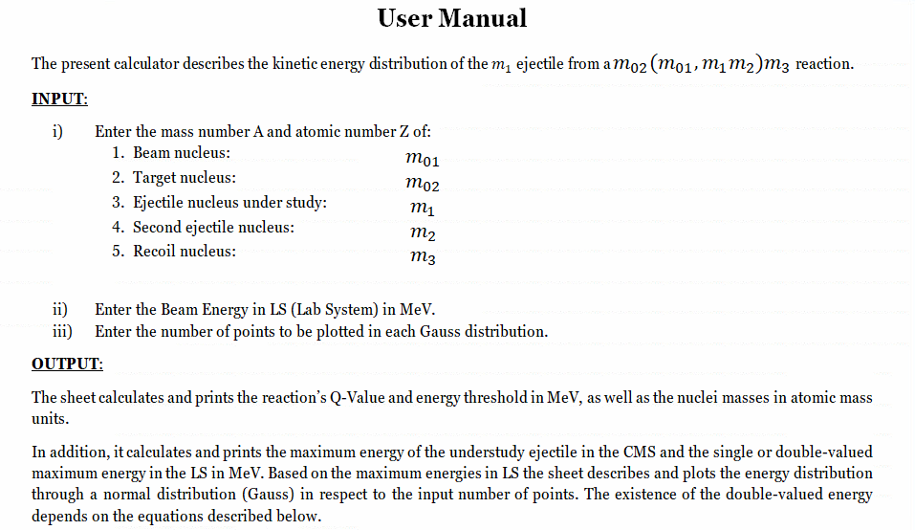
 |  |  |  |  |  |  |  |  |  |  |  |  |  |  |  |  |  | 0.06051 | 0.35705 | 0.04232 |  | 0.36654 | 0.18030 | 0.04232
 |  |  |  |  |  |  |  |  |  |  |  |  |  |  |  |  |  | 0.06337 | 0.41508 | 0.04920 |  | 0.37221 | 0.20960 | 0.04920
 |  |  |  |  |  |  |  |  |  |  |  |  |  |  |  |  |  | 0.06624 | 0.48078 | 0.05698 |  | 0.37789 | 0.24278 | 0.05698
 |  |  |  |  |  |  |  |  |  |  |  |  |  |  |  |  |  | 0.06910 | 0.55482 | 0.06576 |  | 0.38356 | 0.28017 | 0.06576
 |  |  |  |  |  |  |  |  |  |  |  |  |  |  |  |  |  | 0.07197 | 0.63793 | 0.07561 |  | 0.38923 | 0.32213 | 0.07561
 |  |  |  |  |  |  |  |  |  |  |  |  |  |  |  |  |  | 0.07483 | 0.73079 | 0.08662 |  | 0.39490 | 0.36903 | 0.08662
 |  |  |  |  |  |  |  |  |  |  |  |  |  |  |  |  |  | 0.07769 | 0.83411 | 0.09886 |  | 0.40058 | 0.42120 | 0.09886
 |  |  |  |  |  |  |  |  |  |  |  |  |  |  |  |  |  | 0.08056 | 0.94854 | 0.11242 |  | 0.40625 | 0.47898 | 0.11242
 |  |  |  |  |  |  |  |  |  |  |  |  |  |  |  |  |  | 0.08342 | 1.07471 | 0.12738 |  | 0.41192 | 0.54269 | 0.12738
 |  |  |  |  |  |  |  |  |  |  |  |  |  |  |  |  |  | 0.08629 | 1.21320 | 0.14379 |  | 0.41759 | 0.61263 | 0.14379
 |  |  |  |  |  |  |  |  |  |  |  |  |  |  |  |  |  | 0.08915 | 1.36452 | 0.16173 |  | 0.42327 | 0.68904 | 0.16173
 |  |  |  |  |  |  |  |  |  |  |  |  |  |  |  |  |  | 0.09202 | 1.52909 | 0.18123 |  | 0.42894 | 0.77214 | 0.18123
 |  |  |  |  |  |  |  |  |  |  |  |  |  |  |  |  |  | 0.09488 | 1.70721 | 0.20234 |  | 0.43461 | 0.86208 | 0.20234
 |  |  |  |  |  |  |  |  |  |  |  |  |  |  |  |  |  | 0.09774 | 1.89910 | 0.22509 |  | 0.44028 | 0.95898 | 0.22509
 |  |  |  |  |  |  |  |  |  |  |  |  |  |  |  |  |  | 0.10061 | 2.10482 | 0.24947 |  | 0.44596 | 1.06286 | 0.24947
 |  |  |  |  |  |  |  |  |  |  |  |  |  |  |  |  |  | 0.10347 | 2.32426 | 0.27548 |  | 0.45163 | 1.17367 | 0.27548
 |  |  |  |  |  |  |  |  |  |  |  |  |  |  |  |  |  | 0.10634 | 2.55717 | 0.30308 |  | 0.45730 | 1.29129 | 0.30308
 |  |  |  |  |  |  |  |  |  |  |  |  |  |  |  |  |  | 0.10920 | 2.80311 | 0.33223 |  | 0.46297 | 1.41548 | 0.33223
 |  |  |  |  |  |  |  |  |  |  |  |  |  |  |  |  |  | 0.11207 | 3.06144 | 0.36285 |  | 0.46864 | 1.54592 | 0.36285
 |  |  |  |  |  |  |  |  |  |  |  |  |  |  |  |  |  | 0.11493 | 3.33131 | 0.39483 |  | 0.47432 | 1.68220 | 0.39483
 |  |  |  |  |  |  |  |  |  |  |  |  |  |  |  |  |  | 0.11780 | 3.61168 | 0.42806 |  | 0.47999 | 1.82378 | 0.42806
 |  |  |  |  |  |  |  |  |  |  |  |  |  |  |  |  |  | 0.12066 | 3.90130 | 0.46239 |  | 0.48566 | 1.97002 | 0.46239
 |  |  |  |  |  |  |  |  |  |  |  |  |  |  |  |  |  | 0.12352 | 4.19868 | 0.49764 |  | 0.49133 | 2.12019 | 0.49764
 |  |  |  |  |  |  |  |  |  |  |  |  |  |  |  |  |  | 0.12639 | 4.50217 | 0.53361 |  | 0.49701 | 2.27344 | 0.53361
 |  |  |  |  |  |  |  |  |  |  |  |  |  |  |  |  |  | 0.12925 | 4.80989 | 0.57008 |  | 0.50268 | 2.42883 | 0.57008
 |  |  |  |  |  |  |  |  |  |  |  |  |  |  |  |  |  | 0.13212 | 5.11981 | 0.60681 |  | 0.50835 | 2.58533 | 0.60681
 |  |  |  |  |  |  |  |  |  |  |  |  |  |  |  |  |  | 0.13498 | 5.42972 | 0.64354 |  | 0.51402 | 2.74182 | 0.64354
 |  |  |  |  |  |  |  |  |  |  |  |  |  |  |  |  |  | 0.13785 | 5.73727 | 0.67999 |  | 0.51970 | 2.89713 | 0.67999
 |  |  |  |  |  |  |  |  |  |  |  |  |  |  |  |  |  | 0.14071 | 6.04002 | 0.71587 |  | 0.52537 | 3.05000 | 0.71587
 |  |  |  |  |  |  |  |  |  |  |  |  |  |  |  |  |  | 0.14357 | 6.33543 | 0.75089 |  | 0.53104 | 3.19917 | 0.75089
 |  |  |  |  |  |  |  |  |  |  |  |  |  |  |  |  |  | 0.14644 | 6.62092 | 0.78472 |  | 0.53671 | 3.34334 | 0.78472
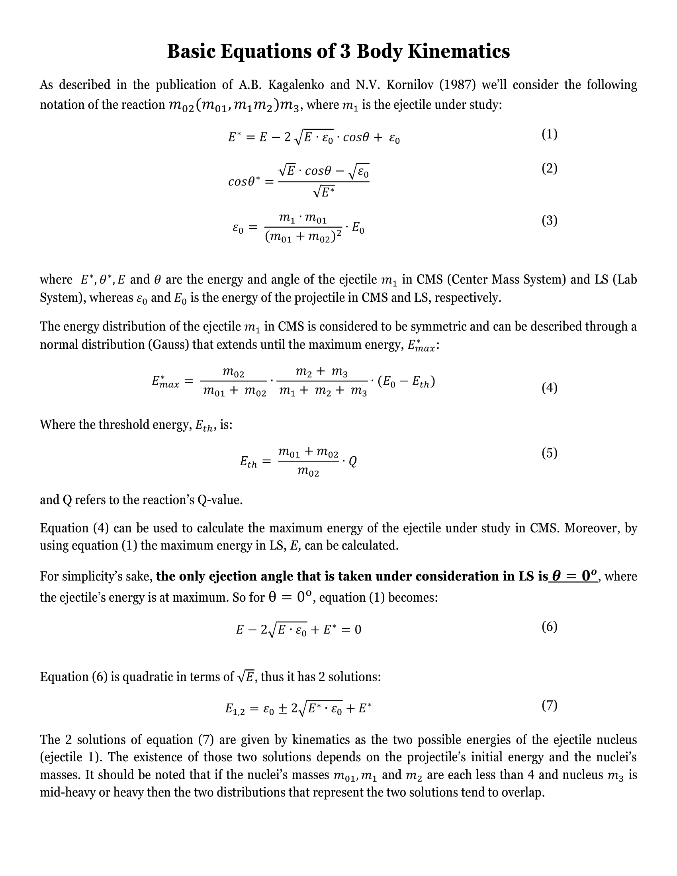
 |  |  |  |  |  |  |  |  |  |  |  |  |  |  |  |  |  | 0.14930 | 6.89391 | 0.81708 |  | 0.54239 | 3.48119 | 0.81708
 |  |  |  |  |  |  |  |  |  |  |  |  |  |  |  |  |  | 0.15217 | 7.15184 | 0.84765 |  | 0.54806 | 3.61143 | 0.84765
 |  |  |  |  |  |  |  |  |  |  |  |  |  |  |  |  |  | 0.15503 | 7.39221 | 0.87614 |  | 0.55373 | 3.73282 | 0.87614
 |  |  |  |  |  |  |  |  |  |  |  |  |  |  |  |  |  | 0.15790 | 7.61265 | 0.90227 |  | 0.55940 | 3.84413 | 0.90227
 |  |  |  |  |  |  |  |  |  |  |  |  |  |  |  |  |  | 0.16076 | 7.81093 | 0.92576 |  | 0.56507 | 3.94425 | 0.92576
 |  |  |  |  |  |  |  |  |  |  |  |  |  |  |  |  |  | 0.16362 | 7.98498 | 0.94639 |  | 0.57075 | 4.03214 | 0.94639
 |  |  |  |  |  |  |  |  |  |  |  |  |  |  |  |  |  | 0.16649 | 8.13298 | 0.96394 |  | 0.57642 | 4.10688 | 0.96394
 |  |  |  |  |  |  |  |  |  |  |  |  |  |  |  |  |  | 0.16935 | 8.25336 | 0.97820 |  | 0.58209 | 4.16766 | 0.97820
 |  |  |  |  |  |  |  |  |  |  |  |  |  |  |  |  |  | 0.17222 | 8.34481 | 0.98904 |  | 0.58776 | 4.21384 | 0.98904
 |  |  |  |  |  |  |  |  |  |  |  |  |  |  |  |  |  | 0.17508 | 8.40633 | 0.99633 |  | 0.59344 | 4.24491 | 0.99633
 |  |  |  |  |  |  |  |  |  |  |  |  |  |  |  |  |  | 0.17795 | 8.43727 | 1.00000 |  | 0.59911 | 4.26053 | 1.00000
 |  |  |  |  |  |  |  |  |  |  |  |  |  |  |  |  |  | 0.18081 | 8.43727 | 1.00000 |  | 0.60478 | 4.26053 | 1.00000
 |  |  |  |  |  |  |  |  |  |  |  |  |  |  |  |  |  | 0.18368 | 8.40633 | 0.99633 |  | 0.61045 | 4.24491 | 0.99633
 |  |  |  |  |  |  |  |  |  |  |  |  |  |  |  |  |  | 0.18654 | 8.34481 | 0.98904 |  | 0.61613 | 4.21384 | 0.98904
 |  |  |  |  |  |  |  |  |  |  |  |  |  |  |  |  |  | 0.18940 | 8.25336 | 0.97820 |  | 0.62180 | 4.16766 | 0.97820
 |  |  |  |  |  |  |  |  |  |  |  |  |  |  |  |  |  | 0.19227 | 8.13298 | 0.96394 |  | 0.62747 | 4.10688 | 0.96394
 |  |  |  |  |  |  |  |  |  |  |  |  |  |  |  |  |  | 0.19513 | 7.98498 | 0.94639 |  | 0.63314 | 4.03214 | 0.94639
 |  |  |  |  |  |  |  |  |  |  |  |  |  |  |  |  |  | 0.19800 | 7.81093 | 0.92576 |  | 0.63881 | 3.94425 | 0.92576
 |  |  |  |  |  |  |  |  |  |  |  |  |  |  |  |  |  | 0.20086 | 7.61265 | 0.90227 |  | 0.64449 | 3.84413 | 0.90227
 |  |  |  |  |  |  |  |  |  |  |  |  |  |  |  |  |  | 0.20373 | 7.39221 | 0.87614 |  | 0.65016 | 3.73282 | 0.87614
 |  |  |  |  |  |  |  |  |  |  |  |  |  |  |  |  |  | 0.20659 | 7.15184 | 0.84765 |  | 0.65583 | 3.61143 | 0.84765
 |  |  |  |  |  |  |  |  |  |  |  |  |  |  |  |  |  | 0.20945 | 6.89391 | 0.81708 |  | 0.66150 | 3.48119 | 0.81708
 |  |  |  |  |  |  |  |  |  |  |  |  |  |  |  |  |  | 0.21232 | 6.62092 | 0.78472 |  | 0.66718 | 3.34334 | 0.78472
 |  |  |  |  |  |  |  |  |  |  |  |  |  |  |  |  |  | 0.21518 | 6.33543 | 0.75089 |  | 0.67285 | 3.19917 | 0.75089
 |  |  |  |  |  |  |  |  |  |  |  |  |  |  |  |  |  | 0.21805 | 6.04002 | 0.71587 |  | 0.67852 | 3.05000 | 0.71587
 |  |  |  |  |  |  |  |  |  |  |  |  |  |  |  |  |  | 0.22091 | 5.73727 | 0.67999 |  | 0.68419 | 2.89713 | 0.67999
 |  |  |  |  |  |  |  |  |  |  |  |  |  |  |  |  |  | 0.22378 | 5.42972 | 0.64354 |  | 0.68987 | 2.74182 | 0.64354
 |  |  |  |  |  |  |  |  |  |  |  |  |  |  |  |  |  | 0.22664 | 5.11981 | 0.60681 |  | 0.69554 | 2.58533 | 0.60681
 |  |  |  |  |  |  |  |  |  |  |  |  |  |  |  |  |  | 0.22950 | 4.80989 | 0.57008 |  | 0.70121 | 2.42883 | 0.57008
 |  |  |  |  |  |  |  |  |  |  |  |  |  |  |  |  |  | 0.23237 | 4.50217 | 0.53361 |  | 0.70688 | 2.27344 | 0.53361
 |  |  |  |  |  |  |  |  |  |  |  |  |  |  |  |  |  | 0.23523 | 4.19868 | 0.49764 |  | 0.71256 | 2.12019 | 0.49764
 |  |  |  |  |  |  |  |  |  |  |  |  |  |  |  |  |  | 0.23810 | 3.90130 | 0.46239 |  | 0.71823 | 1.97002 | 0.46239
 |  |  |  |  |  |  |  |  |  |  |  |  |  |  |  |  |  | 0.24096 | 3.61168 | 0.42806 |  | 0.72390 | 1.82378 | 0.42806
 |  |  |  |  |  |  |  |  |  |  |  |  |  |  |  |  |  | 0.24383 | 3.33131 | 0.39483 |  | 0.72957 | 1.68220 | 0.39483
 |  |  |  |  |  |  |  |  |  |  |  |  |  |  |  |  |  | 0.24669 | 3.06144 | 0.36285 |  | 0.73524 | 1.54592 | 0.36285
 |  |  |  |  |  |  |  |  |  |  |  |  |  |  |  |  |  | 0.24956 | 2.80311 | 0.33223 |  | 0.74092 | 1.41548 | 0.33223
 |  |  |  |  |  |  |  |  |  |  |  |  |  |  |  |  |  | 0.25242 | 2.55717 | 0.30308 |  | 0.74659 | 1.29129 | 0.30308
 |  |  |  |  |  |  |  |  |  |  |  |  |  |  |  |  |  | 0.25528 | 2.32426 | 0.27548 |  | 0.75226 | 1.17367 | 0.27548
 |  |  |  |  |  |  |  |  |  |  |  |  |  |  |  |  |  | 0.25815 | 2.10482 | 0.24947 |  | 0.75793 | 1.06286 | 0.24947
 |  |  |  |  |  |  |  |  |  |  |  |  |  |  |  |  |  | 0.26101 | 1.89910 | 0.22509 |  | 0.76361 | 0.95898 | 0.22509
 |  |  |  |  |  |  |  |  |  |  |  |  |  |  |  |  |  | 0.26388 | 1.70721 | 0.20234 |  | 0.76928 | 0.86208 | 0.20234
 |  |  |  |  |  |  |  |  |  |  |  |  |  |  |  |  |  | 0.26674 | 1.52909 | 0.18123 |  | 0.77495 | 0.77214 | 0.18123
 |  |  |  |  |  |  |  |  |  |  |  |  |  |  |  |  |  | 0.26961 | 1.36452 | 0.16173 |  | 0.78062 | 0.68904 | 0.16173
 |  |  |  |  |  |  |  |  |  |  |  |  |  |  |  |  |  | 0.27247 | 1.21320 | 0.14379 |  | 0.78630 | 0.61263 | 0.14379
 |  |  |  |  |  |  |  |  |  |  |  |  |  |  |  |  |  | 0.27533 | 1.07471 | 0.12738 |  | 0.79197 | 0.54269 | 0.12738
 |  |  |  |  |  |  |  |  |  |  |  |  |  |  |  |  |  | 0.27820 | 0.94854 | 0.11242 |  | 0.79764 | 0.47898 | 0.11242
 |  |  |  |  |  |  |  |  |  |  |  |  |  |  |  |  |  | 0.28106 | 0.83411 | 0.09886 |  | 0.80331 | 0.42120 | 0.09886
 |  |  |  |  |  |  |  |  |  |  |  |  |  |  |  |  |  | 0.28393 | 0.73079 | 0.08662 |  | 0.80899 | 0.36903 | 0.08662
 |  |  |  |  |  |  |  |  |  |  |  |  |  |  |  |  |  | 0.28679 | 0.63793 | 0.07561 |  | 0.81466 | 0.32213 | 0.07561
 |  |  |  |  |  |  |  |  |  |  |  |  |  |  |  |  |  | 0.28966 | 0.55482 | 0.06576 |  | 0.82033 | 0.28017 | 0.06576
 |  |  |  |  |  |  |  |  |  |  |  |  |  |  |  |  |  | 0.29252 | 0.48078 | 0.05698 |  | 0.82600 | 0.24278 | 0.05698
 |  |  |  |  |  |  |  |  |  |  |  |  |  |  |  |  |  | 0.29538 | 0.41508 | 0.04920 |  | 0.83167 | 0.20960 | 0.04920
 |  |  |  |  |  |  |  |  |  |  |  |  |  |  |  |  |  | 0.29825 | 0.35705 | 0.04232 |  | 0.83735 | 0.18030 | 0.04232
 |  |  |  |  |  |  |  |  |  |  |  |  |  |  |  |  |  | 0.30111 | 0.30601 | 0.03627 |  | 0.84302 | 0.15452 | 0.03627
 |  |  |  |  |  |  |  |  |  |  |  |  |  |  |  |  |  | 0.30398 | 0.26130 | 0.03097 |  | 0.84869 | 0.13195 | 0.03097
 |  |  |  |  |  |  |  |  |  |  |  |  |  |  |  |  |  | 0.30684 | 0.22230 | 0.02635 |  | 0.85436 | 0.11226 | 0.02635
 |  |  |  |  |  |  |  |  |  |  |  |  |  |  |  |  |  | 0.30971 | 0.18844 | 0.02233 |  | 0.86004 | 0.09515 | 0.02233
 |  |  |  |  |  |  |  |  |  |  |  |  |  |  |  |  |  | 0.31257 | 0.15914 | 0.01886 |  | 0.86571 | 0.08036 | 0.01886
 |  |  |  |  |  |  |  |  |  |  |  |  |  |  |  |  |  | 0.31543 | 0.13391 | 0.01587 |  | 0.87138 | 0.06762 | 0.01587
 |  |  |  |  |  |  |  |  |  |  |  |  |  |  |  |  |  | 0.31830 | 0.11226 | 0.01331 |  | 0.87705 | 0.05669 | 0.01331
 |  |  |  |  |  |  |  |  |  |  |  |  |  |  |  |  |  | 0.32116 | 0.09377 | 0.01111 |  | 0.88273 | 0.04735 | 0.01111

